Additional task
id | Severity | Summary | Preconditions | Steps to Reproduce | Expected Result | Actual result | Attachments | Priority
1 | Medium | The JPY currency convertation on site is invalid when user changes currency in "Currency" drop-down menu | 1.Go to: http://www.chainreactioncycles.com/jp/ru | 1. Click on "Local menu" button 2. Choose and click "Japan" in "Country" drop-down menu 3. Choose and click "JPY" in "Currency" drop-down menu 4. Choose and Click "English" in "Language"drop-down menu 5. Click "UPDATE" button 6. Scroll down the page to "Best Sellers" section 7. Choose any product | 1. The "Local menu" pop-up is opened. 2. The "Country" drop-down menu is able to use 3. The "Currency" drop-down menu is able to use 3. The "Language" drop-down menu is able to use 4. "UPDATE" button is able to use 5. The Main Page is scroling succsessfully 6. The JPY currency in all products should corespond to format like ¥ 111,111.00 | 1. The "Local menu" button is opened. 2. The "Country" drop-down menu is able to use 3. The "Currency" drop-down menu is able to use 3. The "Language" drop-down menu is able to use 4. "UPDATE" button is able to use 5. The Main Page is scroling succsessfully 6. The JPY currency in all products does not corespond to format like ¥ 111,111.00 | 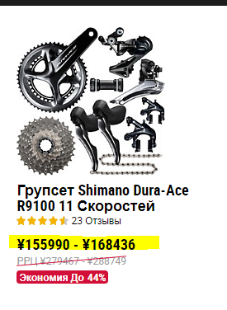 | Unset
2 | Medium | The Japanese version of "Sing up" block overlaps the link in the footer | 1.Go to: http://www.chainreactioncycles.com/jp/ja | 1. Click on "Local menu" button 2. Choose and Click "Japanese" in "Language"drop-down menu 3. Click "UPDATE" button 4. Scroll down the page to the footer | 1. The "Local menu" pop-up is opened. 3. The "Language" drop-down menu is able to use 4. "UPDATE" button is able to use 5. The Main Page is scroling succsessfully 6. Every link in footer should be fully visible | 1. The "Local menu" button is opened. 3. The "Language" drop-down menu is able to use 4. "UPDATE" button is able to use 5. The Main Page is scroling succsessfully 6. "Sign up" block overlaps the link in footer | 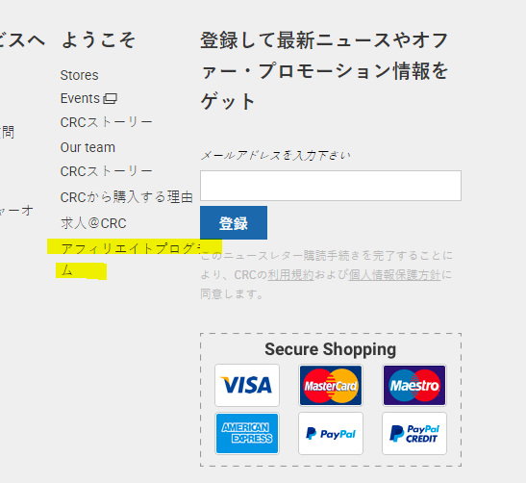 | Unset
3 | Low | The "доставка" button writen with lover register in "Help" drop-down menu when user choose "Russian" language | 1.Go to: http://www.chainreactioncycles.com/ua/ru | 1. Click on "Help" drop-down menu in the page header | 1. "Help" drop-down menu is opened 2. Every button in drop-down menu should be writen with upper register letters | 1. "Help" drop-down menu is opened 2. The "доставка" button in "Help" drop-down menu is writen with lover register letter | 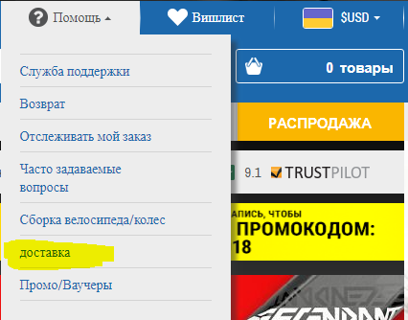 | Unset

